Q 6
Ordering decision with quantity discounts

Expected profit vs Order Qunatity
Inputs |  |  | Quantity discount structure
Unit cost - see table to right |  |  | At least | Unit cost
Regular price | $30 |  | 0 | $24.00
Leftover price | $10 |  | 1000 | $23.00
 |  |  | 2000 | $22.25
Decision variable |  |  | 3000 | $21.75
Order quantity | 2500 |  | 4000 | $21.30

Uncertain quantity
Demand | 2000

Profit model
Units sold at regular price | 2000
Units sold at leftover price | 500
Revenue | $65,000
Cost | $55,625
Profit | $9,375

Data table of profit as a function of order quantity (along side) and demand (along top)
$9,375 | 500 | 1000 | 1500 | 2000 | 2500 | 3000 | 3500 | 4000 | 4500
500 | $3,000 | $3,000 | $3,000 | $3,000 | $3,000 | $3,000 | $3,000 | $3,000 | $3,000
1000 | -$3,000 | $7,000 | $7,000 | $7,000 | $7,000 | $7,000 | $7,000 | $7,000 | $7,000
1500 | -$9,500 | $500 | $10,500 | $10,500 | $10,500 | $10,500 | $10,500 | $10,500 | $10,500
2000 | -$14,500 | -$4,500 | $5,500 | $15,500 | $15,500 | $15,500 | $15,500 | $15,500 | $15,500
2500 | -$20,625 | -$10,625 | -$625 | $9,375 | $19,375 | $19,375 | $19,375 | $19,375 | $19,375
Profits vs Order Quantity, Demand
3000 | -$25,250 | -$15,250 | -$5,250 | $4,750 | $14,750 | $24,750 | $24,750 | $24,750 | $24,750
3500 | -$31,125 | -$21,125 | -$11,125 | -$1,125 | $8,875 | $18,875 | $28,875 | $28,875 | $28,875
4000 | -$35,200 | -$25,200 | -$15,200 | -$5,200 | $4,800 | $14,800 | $24,800 | $34,800 | $34,800
4500 | -$40,850 | -$30,850 | -$20,850 | -$10,850 | -$850 | $9,150 | $19,150 | $29,150 | $39,150

Model of expected demands
Demand | 500 | 1000 | 1500 | 2000 | 2500 | 3000 | 3500 | 4000 | 4500
Probability | 0.025 | 0.05 | 0.15 | 0.25 | 0.25 | 0.15 | 0.07 | 0.04 | 0.015

Order quantity | Expected profit
500 | $3,000
1000 | $6,750
1500 | $9,500
2000 | $12,250
2500 | $11,375
3000 | $9,500
3500 | $4,875
4000 | $1,350
4500 | -$4,150

 |  | Demand
 |  | 500 | 1000 | 1500 | 2000 | 2500 | 3000 | 3500 | 4000 | 4500
Order Quantity | 500 | 3000 | 3000 | 3000 | 3000 | 3000 | 3000 | 3000 | 3000 | 3000
 | 1000 | -3000 | 7000 | 7000 | 7000 | 7000 | 7000 | 7000 | 7000 | 7000
 | 1500 | -9500 | 500 | 10500 | 10500 | 10500 | 10500 | 10500 | 10500 | 10500
 | 2000 | -14500 | -4500 | 5500 | 15500 | 15500 | 15500 | 15500 | 15500 | 15500
 | 2500 | -20625 | -10625 | -625 | 9375 | 19375 | 19375 | 19375 | 19375 | 19375
 | 3000 | -25250 | -15250 | -5250 | 4750 | 14750 | 24750 | 24750 | 24750 | 24750
 | 3500 | -31125 | -21125 | -11125 | -1125 | 8875 | 18875 | 28875 | 28875 | 28875
 | 4000 | -35200 | -25200 | -15200 | -5200 | 4800 | 14800 | 24800 | 34800 | 34800
 | 4500 | -40850 | -30850 | -20850 | -10850 | -850 | 9150 | 19150 | 29150 | 39150

Q 32 Goal Seek
Yield of bond | 9%

Bond data
Year | Payment
1 | $100
2 | $100
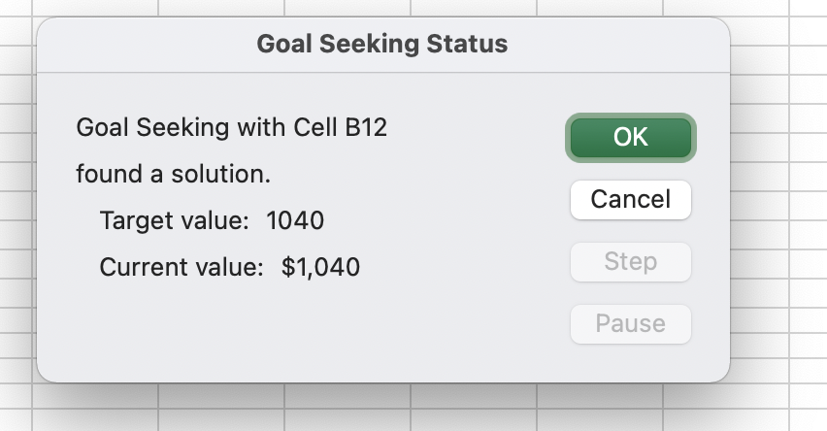
3 | $100
4 | $100
5 | $100
6 | $1,100

Current price | $1,040

